Sealants - Vertical
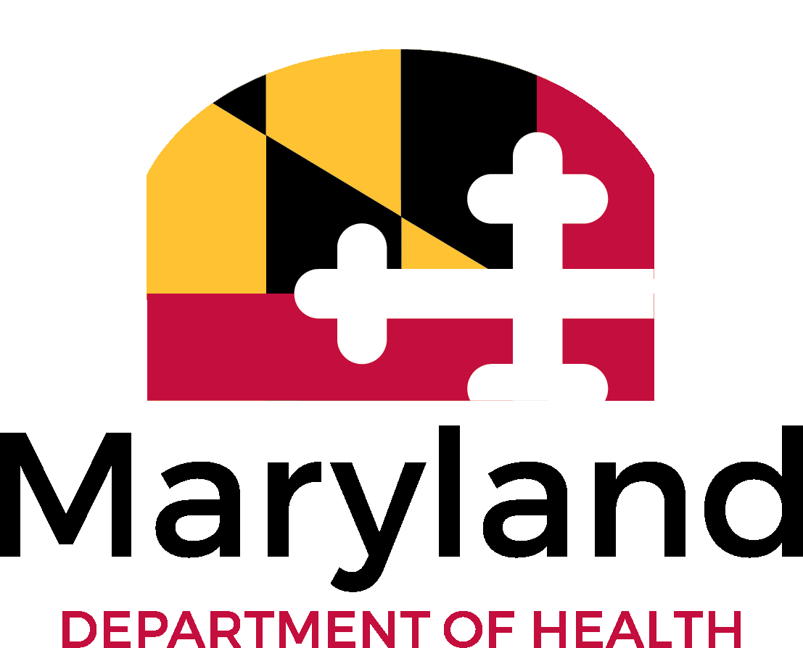
Maryland Department of Health
Office of Oral Health
Dental Sealants Program
Quarterly Reporting

Report Due Dates | Q1 | October 15 | Q2 | January 15 | Q3 | April 15 | Q4 | July 15
Email report to: MDH.UGAOralHealth@Maryland.gov

Health Department | Vendor
Reporter's Name
Quarterly Reporting Period
Fiscal Year

