Sheet1
Budget Form Template - FY 2022 Call for Proposals
MARYLAND COMMUNITY HEALTH RESOURCES COMMISSION
Organization Name: | Project Name:
Revenues | Budget Revenue | % of Total Project Budget
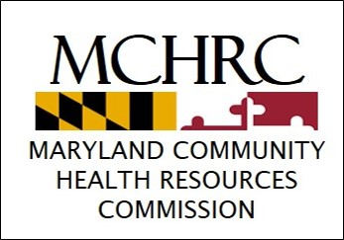
CHRC Grant Request |  | #DIV/0!
Patient/Program Revenues/Income |  | #DIV/0!
Organization Match |  | #DIV/0!
Other Grant/Funding Support |  | #DIV/0!
Total Project Cost | 0 | #DIV/0!
Line Item Budget for CHRC Grant Request | Year 1 Budget Request | Year 2 Budget Request | Year 3 Budget Request | Line Item Total Budget Request

Personnel Salary (enter the requested information for each FTE; do not provide the salaries as a single, total number)
% FTE - Name, Title |  |  |  | 0
% FTE - Name, Title |  |  |  | 0
% FTE - Name, Title |  |  |  | 0
Personnel Subtotal | 0 | 0 | 0 | 0
Personnel Fringe (no more than 25% of Personnel costs) |  |  |  | 0
Equipment / Furniture |  |  |  | 0
Supplies |  |  |  | 0
Travel / Mileage / Parking |  |  |  | 0
Staff Training / Development |  |  |  | 0
Contractual (>$5k itemize below with details in budget justification)
a. Professional/other services by vendor/contractor (1) |  |  |  | 0
b. Professional/other services by vendor/contractor (2) |  |  |  | 0
c. Professional/other services by vendor/contractor (3) |  |  |  | 0
d. Advertising |  |  |  | 0
e. Lease or rental costs (not incl. under "Equipment/furniture", "Supplies", "Other Expenses" or "Indirect Costs") |  |  |  | 0
Other Expenses (MUST detail below)
a. Other |  |  |  | 0
b. Other |  |  |  | 0
c. Other |  |  |  | 0
Indirect Costs: no more than 10% of direct costs (>10% - refer to Budget Form instructions and RFP) | 0 | 0 | 0 | 0
Totals | 0 | 0 | 0 | 0
Percent of Organization's Total Budget that this Project Budget Represents |  |  |  | #DIV/0!

